Sheet1
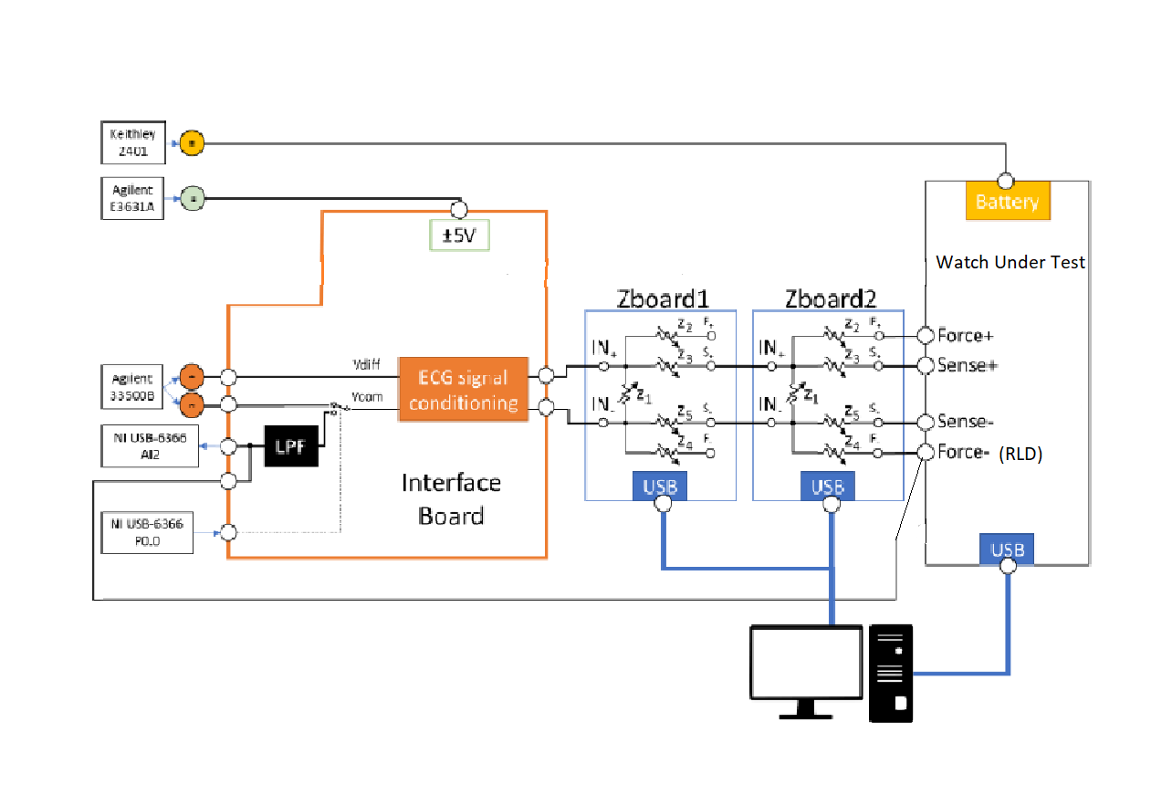
Test# | Application | Paramter | Procedure | Methodology | Priority | Pass Criteria | Status | Ownership | Comments | Test Level
1 | System | Communication | Send and receive data via UART | Send and receive a specific word by Uart | L | returns same word |  |  |  | Final Functional

2 | System | HF XTAL, PLL and LF OSC | Set the internal Clock and toggle a GPIO in order to collect data on oscilloscope | Change to other available frequency and repeat the test | L | Clocks are stable |  |  | Get realibility report from supplier. Can crosscheck between crystal oscillators | Charaterization

4 | System | Enable/Disable | Check the access to memory when enabled and disabled | Check the status register during power off for low volatge as per datasheet | L | Words should not match |  |  | Uses QPSI. Check voltage via register read during power off. | Firmware test

5 | System | Read/Write | Check if the memory is able to store the values correctly | Enable the memory and write random words to random location; Read back these words | M | Words should match |  |  | Checker board test | Firmware test

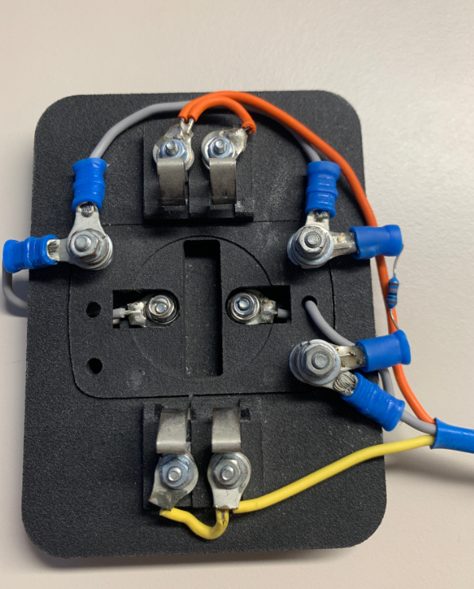
6 | System | SPI communication | Read ID | Read the AD5940 ID | M | Correct ID is read back |  |  | Already checked from drivers | Final Functional
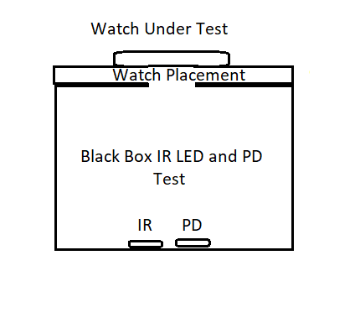
7 | System | GPIOs | Test the AD5940 GPIOs for register read/write | Toggle the GPIOs High and low and check the levels | L | Levels matches the setting |  |  |  | Final Functional

8 | BioZ | Test Switch | Turn off AD8233 and ADPD4002 Switches; Turn on and off the 5940 Switch and check if AD5940 is diconneted from the electrodes | Use AIN1 and AIN2 to inject a 5 Hz sinusoidal waveform; amp: 0.3Vpp; offset: 1.8V and common mode DC 1.1V sigal via Interface board in AD5940 and check the output | H | Output should match the input when swtich on and show noise when switch off amplitude < -80dB |  |  |  | Final Functional
9 | BioZ | AD5940 accuracy | Enable 5940 Switch and Implement frequncy Sweep and obtain value of a Known Impedance; contact impedance zero Ohm | Sweep across 5KHz, 25KHz, 50KHz, 100KHz, 150KHz, 180KHz, 190KHz and 200KHz. Test with 100 Ohm, 510 Ohm and 1kOhm | H | TBD |  |  | For production test use only few points | Characterization

10 | BIOZ | AD5940 accuracy with non-ideal contact impedance | Enable 5940 Switch and Implement sweep in frequency and obtain the value of a known impedance; contact impedance > 0 Ohm | Sweep across 5KHz, 25KHz, 50KHz, 100KHz, 150KHz, 180KHz, 190KHz and 200KHz. Test with 100 Ohm, 510 Ohm and 1kOhm | H | TBD |  |  | Not needed for production | Characterization

11 | BIOZ | AD5940 repeatabiliy | Enable 5940 Switch and Implement sweep in frequency and obtain the value of a known impedance | Post process the data from previous measurement and analyze the standard deviation | H | TBD |  |  | Repeat each meausrement 20 or so times for characterization. Repeat only a few times for produciton. | Characterization

12 | System | SPI communication | Read ID | Read the ADXL362 ID | L | Correct ID is read back |  |  |  | Final Function

13 | System | Self Test | Run the ADXL362 self test | Run ADXL362 self test | H | Pass criteria as per datasheet |  |  |  | FF/Module
 |  |  |  |  |  |  |  |  |  |  | DIAGRAM 1
14 | DG2502 for AD8233 | DG2502 | Turn off AD5940 and ADPD4002 Switches; Turn on and off the 8233 Switch and check if AD8233 is diconneted from the electrodes | Close switch. Inject sine wave 5Hz, 1mVpp, Vdc = 1.1V, and check amplitude matches expected ampllitude (+-10%) Open switch. ECG output is lost (no power at 5Hz). Inputs float so there may be energy at 50Hz | H | amplitude < -80dB |  |  | This test should be performed before AD5940 Switch Test | Final Functional
15 | ECG | AD8233 Noise | Enale 8233 switch, connect the contacts to ECG out of interface board, inject know signal value. Collect ADC output data for 61 seconds | ECG Differential : Offset - 1.8V, Amplitude- 0.01Vpp, Frequency- 0.1Hz ECG Common: 1.1Vpp, DC; Clip 50 second signal data and Calculate Vpp for the 11 second signal | H | Noise < 50uVpp |  |  | IEC2-27: Input Noise < 30uVpp for at least 10s measurement. Can do shorter test for production? Dan: Yes; not sure how long | Characterization |  | Diagram 1

16 | ECG | AD8233 Bandwidth | Enable 8233 Switch and connect the contacts to the ECG out of interface board and check the Bandwidth Attenuation from 0.5Hz to 100Hz | ECG Differential : Offset - 1.8V, Amplitude- 0.3Vpp, Frequency- 100Hz, 70Hz, 40Hz, 30Hz, 20Hz, 10Hz, 5Hz, 0.5Hz: ECG Common: 1.1Vpp, DC; Vpp at each frequency should match the theortical value | H | Monitor BW 0.34Hz - 38Hz Difference <TBD |  |  | IEC2-27: Frequency and impulse response BW: 0.67Hz to 40Hz with 71% to 110% of output obtained at 5Hz | Characterization

17 | ECG | AD8233 dynamic range | Enable the 8233 Switch and connect the contacts to the ECG out of interface board and check if the AD8233 gain is "constant" | Test at 5Hz, 0.5mVpp, 1mVpp & 2mVpp & 5mVpp (5mVpkpk*296=1.48V=+-0.74V) Measure Vrms at 5Hz for each amplitude | H | gain tolerance +-10% |  |  | IEC2-27: Input dynamic range +-10% over specified DC offset | Characterization
18 | ECG | AD8233 Repeatability | Enable the 8233 Switch and connect the contacts to the ECG out of interface board and check if the AD8233 repetability is good | Test at 5Hz, 1mVpp . Repeat 10 times. Calculate Std Dev | H | SD < TBD |  |  | IEC2-27: Accuracy of signal reproduction +-20% or +-100uV
19 | ECG | AD8233 CMRR | Enable the 8233 Switch and connect all the contacts to either P or N ECG out of the interface board and measure how good is the AD8233 eliminating the 50-60 Hz noise | Drive a 50Hz sinewave Vdc=1.1V Vac=0.3Vpp. Check 20LOG( (amplitude_ecg_codes/gain)/ amplitude_input signal ). Test with no electrode imbalance . Target >80dB - Repeat with 51k||47nF imbalance in one electrode. Target > 40dB | H | CMRR>80dB (no electrode imbalance) CMRR>40dB 51k||47nF electrode imbalance) |  |  | IEC2-27: CMRR
20 | ECG | AD8233 input impedance | Enable the 8233 Switch and connec the contacts to the ECG out of interface board | Test at 5Hz, 1mVpp. Check output amplitude. Add 1M in series with each input and check change in output amplitude. Calculate Zin | H | >10M |  |  | IEC2-27: Input Impedance >2.5MoHm
21 | ECG | AD8233 RLD | Check RLD bandwidth and gain with the scope | Drive sinewave 10mVpp at different freqeuncies and check volatge at RLD. Comapre to theoretical values. Frequency and Amplitudes to be confirmed. Internal R in AD8233 specifed at +-30% | H | TBD |  |  | Characterize at a couple points | FF/Module
22 | System | SPI communication | Read ID | Read ADPD4002 ID | L | Correct ID is read back |  |  |  | Final Functional

23 | System | GPIOs | Test the ADPD4002 GPIOs are soldered correctly | Toggle the GPIOs High and low and check the levels | L | Levels matches the setting |  |  |  | Final Functional

24 | System | ADC Vref | Use Vc2 connected at ET1/EB2 and measure the value | TBD | M | as per datasheet |  |  |  | Characterization

25 | System | Chcek the led Green and Red LED on/off | Toggle the LEDs on and off | Toggle LEDs on/off and make a visual observation if they are as per setting | H | LEDs turn On and Off |  |  |  | Final Functional

26 | System | Check the IR LED on/off | Use a black box to cover the LEDS and turn on the IR led collect the reflection on a PD connected to the black box | Pass the known excitation to the IR LED and oberve the equivalent output at the PD | H | PD output should match calculated value |  |  |  | Final Functional

27 | System | Check the dark current and light on the PD | Use a black box to cover the LEDS and turn on/off the green LED connected to the box; collect the dark current and light reflection on a PD | Pass the known exciation current through the green LED on the box and measure the dark current and light reflection | H | PD output should match the datasheet |  |  |  | Final Functional

28 | DG2502 for ADPD4002 | DG2502 | Turn off AD8233 and AD5940 Switches; Turn on and off the 4002 Switch and check if ADPD4002 is diconneted from the electrodes | Close switch. Inject sine wave 5Hz, 1mVpp, Vdc = 1.1V, and check amplitude matches expected ampllitude (+-10%) Open switch. ECG output is lost (no power at 5Hz). Inputs float so there may be energy at 50Hz | M | amplitude < -80dB |  |  |  | Final Functional
29 | BioZ | Accuracy | Enable 4002 Switch and Implement frequncy Sweep and obtain value of a Known Impedance; contact impedance zero Ohm | Sweep across 5KHz, 25KHz, 50KHz, 100KHz, 150KHz, 180KHz, 190KHz and 200KHz. Test with 100 Ohm, 510 Ohm and 1kOhm | M | TBD |  |  |  | Characterization/FF- only few points

30 | BIOZ | ADPD4002 accuracy with non-ideal contact impedance | Enable 5940 Switch and Implement sweep in frequency and obtain the value of a known impedance; contact impedance > 0 Ohm | Sweep across 5KHz, 25KHz, 50KHz, 100KHz, 150KHz, 180KHz, 190KHz and 200KHz. Test with 100 Ohm, 510 Ohm and 1kOhm | M | TBD |  |  |  | Characterization/FF- only few points

31 | BIOZ | ADPD4002 repeatabiliy | Enable 4002 Switch and Implement sweep in frequency and obtain the value of a known impedance | Post process the data from previous measurement and analyze the standard deviation | M | TBD |  |  |  | Characterization/FF- only few points

32 | ECG | ADPD4002 Noise | Enale 4002 switch and using interface board produce know value of differential and common mode signal. Collect ADC output data for 61 seconds | ECG Differential : Offset - 1.8V, Amplitude- 0.01Vpp, Frequency- 0.1Hz ECG Common: 1.1Vpp, DC; Clip 50 second signal data and Calculate Vpp for the 11 second signal | M | Noise < 50uVpp |  |  |  | Characterization

33 | ECG | ADPD4002 Bandwidth | Enable 4002 Switch and connect the contacts to the ECG out of interface board and check the Bandwidth Attenuation from (same)?? | ECG Differential : Offset - 1.8V, Amplitude- 0.3Vpp, Frequency- 40Hz, 30Hz, 20Hz, 10Hz, 5Hz, 0.5Hz, 0.1Hz : ECG Common: 1.1Vpp, DC; Vpp at each frequency should match the theortical value | M | Monitor BW 0.34Hz - 38Hz Difference <TBD

34 | ECG | ADPD4002 Dynamic range | Enable the 4002 Switch and connect the contacts to the ECG out of interface board and check if the ADPD4002 gain is "constant" | Test at 5Hz, 0.5mVpp, 1mVpp & 2mVpp & 5mVpp (5mVpkpk*296=1.48V=+-0.74V) Measure Vrms at 5Hz for each amplitude | M | gain tolerance ??

35 | ECG | ADPD4002 Repeatability | Enable the 4002 Switch and connect the contacts to the ECG out of interface board and check if the ADPD4002 repetability is good | Test at 5Hz, 1mVpp . Repeat 10 times. Calculate Std Dev | M | SD < TBD

36 | ECG | ADPD4002CMRR | Enable the4002 Switch and connect all the contacts to either P or N ECG out of the interface board and measure how good is the ADPD4002 eliminating the 50-60 Hz noise | Drive a 50Hz sinewave Vdc=1.1V Vac=0.3Vpp. Check 20LOG( (amplitude_ecg_codes/gain)/ amplitude_input signal ). Test with no electrode imbalance . Target >80dB - Repeat with 51k||47nF imbalance in one electrode. Target > 40dB | M | CMRR>80dB (no electrode imbalance) CMRR>40dB 51k||47nF electrode imbalance)
37 | ECG | ADPD4002 input impedance | Enable the 4002 Switch and connec the contacts to the ECG out of interface board | Test at 5Hz, 1mVpp. Check output amplitude. Add 1M in series with each input and check change in output amplitude. Calculate Zin | M | >10M
38 | System | Test Bluetooth link | RF section is functional | reset dialog, load program (advertising). Check RF link works with USB dongle /phone or other | L | system advertises |  |  | This test needs some examinaion if it could be automated; test signal strength? | Final Functional

39 | System | UART/SPI interface | Uart loopback test | reset dialog, load program (uart loopback). SPI and UART works | L | program downloads and words match |  |  |  | Final Functional

40 | System | Press button | Push buttons and check response | ask user to push button and wait for interrupt | L | interrupt received |  |  |  | Final Functional
41 | Temperature | Temp Sensing linearity alone | Check circuit linearity simulating the NTC with a Programmable Resistance substitutter or Zbank | change the resistor value and obtain the temperature value. Check if the adquired values matches with the expected one | H | tbd |  |  | Use Coolidge for temperature testing?
42 | Temperature | Temp Sensing Repeatability alone | Check repeatibility simulating the NTC with a Programmable Resistance substitutter or Zbank | measure several times the same value and obtain the std deviation | H | tbd |  |  |  | Characterization
43 | Temperature | Temp Sensing linearity all togheter | Check circuit linearity simulating the NTC with a Programmable Resistance substitutter or Zbanck while the ECG and Z signals are also adquired. Is the noise floor the same? | change the resistor value and obtain the value. Check if the adquired values matches with the expected one | L | tbd |  |  |  | Characterization
44 | Temperature | Temp Sensing Repeatability all togheter | Check repeatibility simulating the NTC with a Programmable Resistance substitutter or Zbanck while the ECG and Z signals are also adquired. Is the noise floor the same? | measure several times the same value and obtain the std deviation | L | tbd |  |  |  | Characterization/FF- only few points
45 | AD7156 | Read ID | Read device ID | Read the device ID | L | ID is correct |  |  |  | Final Functional
46 | AD7156 | Use a metal plate to generate an output signal | Check the output with and without a metal plate placed below the watch | TBD | L | Output is observed |  |  |  | Module
48 | ADP5360 | Read ID | Read device ID | Read the device ID | L | ID is correct |  |  |  | Final Functional
49 | POWER MANAGEMENT | USB "wall" and "PC" charges battery test | check the USB "Wall" and "PC" supply recharges the battery (USB "PC" and "Wall" connected alternately) | mimick battery with keithley and check it sinks current (so USB5V is present and charging the battery) | M | charging current >80mA |  |  | follow up with Dan | Final Functional
50 | POWER MANAGEMENT | USB PC test | check the USB "PC" connection (battery is connected, USB "PC" is connected but USB "Wall" is not connected) | set keithley ch1 to 3.8 volts, keithley ch2 is disconnected and ch3 is connected (4.8v) and OTG_SEL means not get voltage from PC. check ch3 current is zero or negative and check USB_ID. Second step: change OTG_SEL, therefore ch3 current will have to be positive, USB_ID will change its level and the USB communication has to work. | M | ADP5350 status is correct |  |  |  | Final Functional
51 | POWER MANAGEMENT | USB Wall test | check the USB "Wall" connection (battery is connected, USB "PC" not connected but USB "Wall" is connected) | set keithley ch1 to 3.8 volts, keithley ch2 is connected (5volts) and ch3 is connected (4.8v) and OTG_SEL low. check ch3 current is zero or negative and check USB_ID is floating (set input with pull-up). Second step: change OTG_SEL to high. every thing remains equal. Third step: Ch2 is disconnected, USB_ID goes low and ch3 will supply the FTDI. send message and wait response by USB. | M | ADP5350 status is correct |  |  | 25mV resolution of input. Can possibly utilize AD8233 | Final Functional
52 | POWER MANAGEMENT | Battery test | check supplies. Just the battery is connected to the board (USB "Wall" not connected and USB "PC" not connected) | Check if the watch is working without connecting to the Wall or PC charger | L | ADP5350 status is correct |  |  |  | Final Functional
53 | POWER MANAGEMENT | Power level test | Test the power drawn by the board at different power modes | TBD | L | TBD |  |  |  | Final Functional
54 | ADP160 | Test that LDO produces required volatge when input is changed | Simply toggle input to make sure output is constant | Not only can we vary Vin while checking Vout, we can also test the LDO with and without a load. Load a 1k and 100k resistor to Vout to make sure Vout remains the same. |  | equal to Vout ± 5% |  |  |  | Final Functional
 | Electrodes

